Data Entry
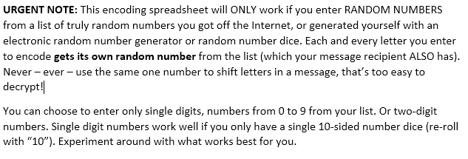
STARTING TEXT V | RANDOM NUMBER |  |  | ENCODED RESULT | 12345 | TEXT | NUMBER |  |  | RESULT | TEXT | NUMBER |  |  | RESULT | TEXT | NUMBER |  |  | RESULT | TEXT | NUMBER |  |  | RESULT | TEXT | NUMBER |  |  | RESULT
 |  | #VALUE! | #VALUE! |  |  |  |  | #VALUE! | #VALUE! |  |  |  | #VALUE! | #VALUE! |  |  |  | #VALUE! | #VALUE! |  |  |  | #VALUE! | #VALUE! |  |  |  | #VALUE! | #VALUE!
 |  | #VALUE! | #VALUE! |  |  |  |  | #VALUE! | #VALUE! |  |  |  | #VALUE! | #VALUE! |  |  |  | #VALUE! | #VALUE! |  |  |  | #VALUE! | #VALUE! |  |  |  | #VALUE! | #VALUE!
 |  | #VALUE! | #VALUE! |  |  |  |  | #VALUE! | #VALUE! |  |  |  | #VALUE! | #VALUE! |  |  |  | #VALUE! | #VALUE! |  |  |  | #VALUE! | #VALUE! |  |  |  | #VALUE! | #VALUE!
 |  | #VALUE! | #VALUE! |  |  |  |  | #VALUE! | #VALUE! |  |  |  | #VALUE! | #VALUE! |  |  |  | #VALUE! | #VALUE! |  |  |  | #VALUE! | #VALUE! |  |  |  | #VALUE! | #VALUE!
 |  | #VALUE! | #VALUE! |  |  |  |  | #VALUE! | #VALUE! |  |  |  | #VALUE! | #VALUE! |  |  |  | #VALUE! | #VALUE! |  |  |  | #VALUE! | #VALUE! |  |  |  | #VALUE! | #VALUE!
 |  | #VALUE! | #VALUE! |  |  |  |  | #VALUE! | #VALUE! |  |  |  | #VALUE! | #VALUE! |  |  |  | #VALUE! | #VALUE! |  |  |  | #VALUE! | #VALUE! |  |  |  | #VALUE! | #VALUE!
 |  | #VALUE! | #VALUE! |  |  |  |  | #VALUE! | #VALUE! |  |  |  | #VALUE! | #VALUE! |  |  |  | #VALUE! | #VALUE! |  |  |  | #VALUE! | #VALUE! |  |  |  | #VALUE! | #VALUE!
 |  | #VALUE! | #VALUE! |  |  |  |  | #VALUE! | #VALUE! |  |  |  | #VALUE! | #VALUE! |  |  |  | #VALUE! | #VALUE! |  |  |  | #VALUE! | #VALUE! |  |  |  | #VALUE! | #VALUE!
 |  | #VALUE! | #VALUE! |  |  |  |  | #VALUE! | #VALUE! |  |  |  | #VALUE! | #VALUE! |  |  |  | #VALUE! | #VALUE! |  |  |  | #VALUE! | #VALUE! |  |  |  | #VALUE! | #VALUE!
 |  | #VALUE! | #VALUE! |  |  |  |  | #VALUE! | #VALUE! |  |  |  | #VALUE! | #VALUE! |  |  |  | #VALUE! | #VALUE! |  |  |  | #VALUE! | #VALUE! |  |  |  | #VALUE! | #VALUE!
 |  | #VALUE! | #VALUE! |  |  |  |  | #VALUE! | #VALUE! |  |  |  | #VALUE! | #VALUE! |  |  |  | #VALUE! | #VALUE! |  |  |  | #VALUE! | #VALUE! |  |  |  | #VALUE! | #VALUE!
 |  | #VALUE! | #VALUE! |  |  |  |  | #VALUE! | #VALUE! |  |  |  | #VALUE! | #VALUE! |  |  |  | #VALUE! | #VALUE! |  |  |  | #VALUE! | #VALUE! |  |  |  | #VALUE! | #VALUE!
 |  | #VALUE! | #VALUE! |  |  |  |  | #VALUE! | #VALUE! |  |  |  | #VALUE! | #VALUE! |  |  |  | #VALUE! | #VALUE! |  |  |  | #VALUE! | #VALUE! |  |  |  | #VALUE! | #VALUE!
 |  | #VALUE! | #VALUE! |  |  |  |  | #VALUE! | #VALUE! |  |  |  | #VALUE! | #VALUE! |  |  |  | #VALUE! | #VALUE! |  |  |  | #VALUE! | #VALUE! |  |  |  | #VALUE! | #VALUE!
 |  | #VALUE! | #VALUE! |  |  |  |  | #VALUE! | #VALUE! |  |  |  | #VALUE! | #VALUE! |  |  |  | #VALUE! | #VALUE! |  |  |  | #VALUE! | #VALUE! |  |  |  | #VALUE! | #VALUE!
 |  | #VALUE! | #VALUE! |  |  |  |  | #VALUE! | #VALUE! |  |  |  | #VALUE! | #VALUE! |  |  |  | #VALUE! | #VALUE! |  |  |  | #VALUE! | #VALUE! |  |  |  | #VALUE! | #VALUE!
 |  | #VALUE! | #VALUE! |  |  |  |  | #VALUE! | #VALUE! |  |  |  | #VALUE! | #VALUE! |  |  |  | #VALUE! | #VALUE! |  |  |  | #VALUE! | #VALUE! |  |  |  | #VALUE! | #VALUE!
 |  | #VALUE! | #VALUE! |  |  |  |  | #VALUE! | #VALUE! |  |  |  | #VALUE! | #VALUE! |  |  |  | #VALUE! | #VALUE! |  |  |  | #VALUE! | #VALUE! |  |  |  | #VALUE! | #VALUE!
 |  | #VALUE! | #VALUE! |  |  |  |  | #VALUE! | #VALUE! |  |  |  | #VALUE! | #VALUE! |  |  |  | #VALUE! | #VALUE! |  |  |  | #VALUE! | #VALUE! |  |  |  | #VALUE! | #VALUE!
 |  | #VALUE! | #VALUE! |  |  |  |  | #VALUE! | #VALUE! |  |  |  | #VALUE! | #VALUE! |  |  |  | #VALUE! | #VALUE! |  |  |  | #VALUE! | #VALUE! |  |  |  | #VALUE! | #VALUE!
 |  | #VALUE! | #VALUE! |  |  |  |  | #VALUE! | #VALUE! |  |  |  | #VALUE! | #VALUE! |  |  |  | #VALUE! | #VALUE! |  |  |  | #VALUE! | #VALUE! |  |  |  | #VALUE! | #VALUE!
 |  | #VALUE! | #VALUE! |  |  |  |  | #VALUE! | #VALUE! |  |  |  | #VALUE! | #VALUE! |  |  |  | #VALUE! | #VALUE! |  |  |  | #VALUE! | #VALUE! |  |  |  | #VALUE! | #VALUE!
 |  | #VALUE! | #VALUE! |  |  |  |  | #VALUE! | #VALUE! |  |  |  | #VALUE! | #VALUE! |  |  |  | #VALUE! | #VALUE! |  |  |  | #VALUE! | #VALUE! |  |  |  | #VALUE! | #VALUE!
 |  | #VALUE! | #VALUE! |  |  |  |  | #VALUE! | #VALUE! |  |  |  | #VALUE! | #VALUE! |  |  |  | #VALUE! | #VALUE! |  |  |  | #VALUE! | #VALUE! |  |  |  | #VALUE! | #VALUE!
 |  | #VALUE! | #VALUE! |  |  |  |  | #VALUE! | #VALUE! |  |  |  | #VALUE! | #VALUE! |  |  |  | #VALUE! | #VALUE! |  |  |  | #VALUE! | #VALUE! |  |  |  | #VALUE! | #VALUE!
 |  | #VALUE! | #VALUE! |  |  |  |  | #VALUE! | #VALUE! |  |  |  | #VALUE! | #VALUE! |  |  |  | #VALUE! | #VALUE! |  |  |  | #VALUE! | #VALUE! |  |  |  | #VALUE! | #VALUE!
 |  | #VALUE! | #VALUE! |  |  |  |  | #VALUE! | #VALUE! |  |  |  | #VALUE! | #VALUE! |  |  |  | #VALUE! | #VALUE! |  |  |  | #VALUE! | #VALUE! |  |  |  | #VALUE! | #VALUE!
 |  | #VALUE! | #VALUE! |  |  |  |  | #VALUE! | #VALUE! |  |  |  | #VALUE! | #VALUE! |  |  |  | #VALUE! | #VALUE! |  |  |  | #VALUE! | #VALUE! |  |  |  | #VALUE! | #VALUE!
 |  | #VALUE! | #VALUE! |  |  |  |  | #VALUE! | #VALUE! |  |  |  | #VALUE! | #VALUE! |  |  |  | #VALUE! | #VALUE! |  |  |  | #VALUE! | #VALUE! |  |  |  | #VALUE! | #VALUE!
 |  | #VALUE! | #VALUE! |  |  |  |  | #VALUE! | #VALUE! |  |  |  | #VALUE! | #VALUE! |  |  |  | #VALUE! | #VALUE! |  |  |  | #VALUE! | #VALUE! |  |  |  | #VALUE! | #VALUE!
 |  | #VALUE! | #VALUE! |  |  |  |  | #VALUE! | #VALUE! |  |  |  | #VALUE! | #VALUE! |  |  |  | #VALUE! | #VALUE! |  |  |  | #VALUE! | #VALUE! |  |  |  | #VALUE! | #VALUE!
 |  | #VALUE! | #VALUE! |  |  |  |  | #VALUE! | #VALUE! |  |  |  | #VALUE! | #VALUE! |  |  |  | #VALUE! | #VALUE! |  |  |  | #VALUE! | #VALUE! |  |  |  | #VALUE! | #VALUE!
 |  | #VALUE! | #VALUE! |  |  |  |  | #VALUE! | #VALUE! |  |  |  | #VALUE! | #VALUE! |  |  |  | #VALUE! | #VALUE! |  |  |  | #VALUE! | #VALUE! |  |  |  | #VALUE! | #VALUE!
 |  | #VALUE! | #VALUE! |  |  |  |  | #VALUE! | #VALUE! |  |  |  | #VALUE! | #VALUE! |  |  |  | #VALUE! | #VALUE! |  |  |  | #VALUE! | #VALUE! |  |  |  | #VALUE! | #VALUE!

NOTES
THIS MATRIX HAS BEEN TESTED:
Test data entered in all TEXT and NUMBER fields
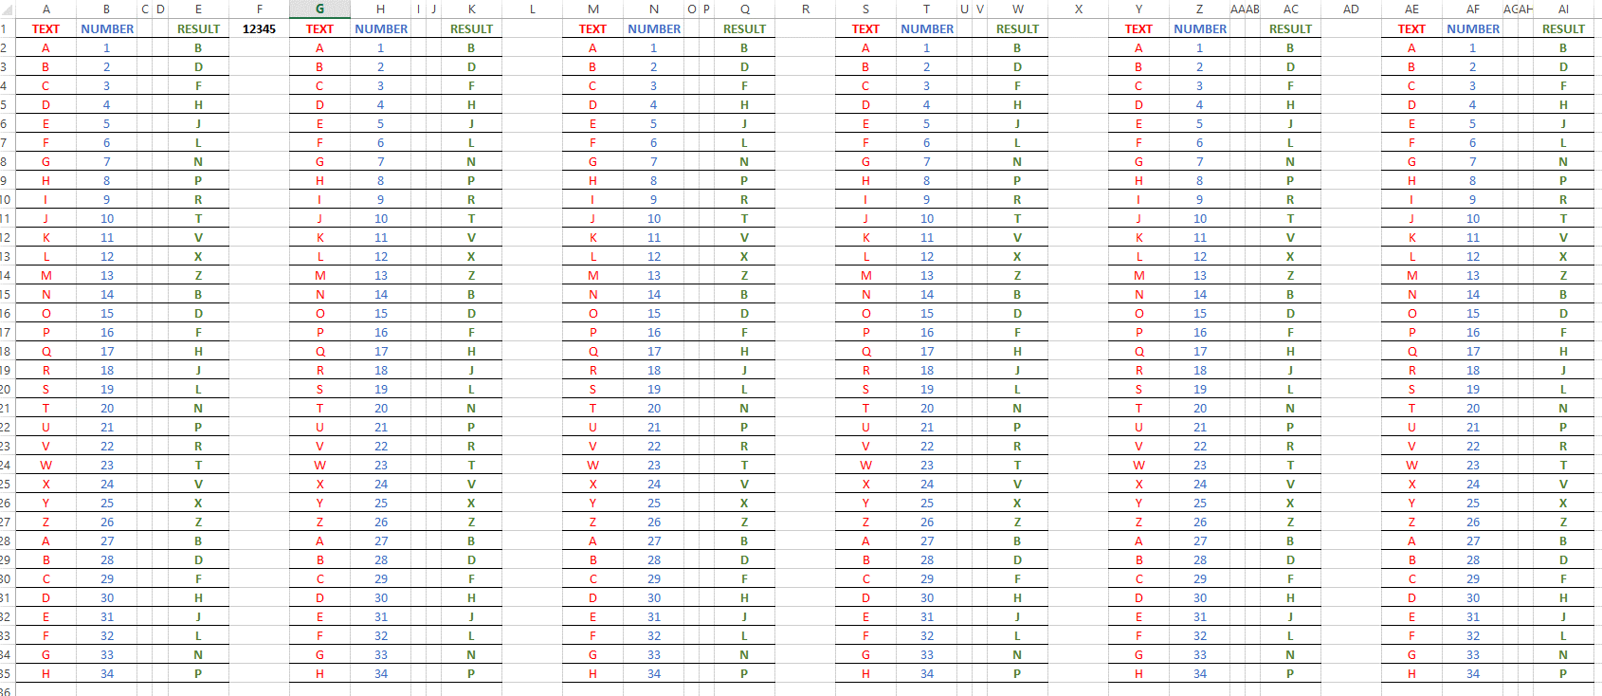

The Encoded "Result" calculation is collected in this matrix under "Encoded"

This was a test of the calculation fields and the linking fields, to see that they were working properly.
If you're really paranoid you'll probably want to do this test yourself.

PROTECTION
The spreadsheet is "Protected" using the numbers 12345 under FILE/PROTECT CURRENT SHEET
This isn't some super-secret encoding thing. It's to keep people from accidentally making changes to calculation fields.
You "Protect" and "Unprotect" the spreadsheet using "12345" under "FILE"
You should only need to Unprotect it to correct a calculation error or make other change to how the spreadsheet works.

UPPER CASE ONLY
ONLY type capital letters into the Data Entry fields. For some reason the Excel calculation
will return DIFFERENT values for upper-case and lower-case letters that will make DECODING impossible. Capital letters ONLY!

RANDOM NUMBERS ALL
ONLY - EVER - USE RANDOM NUMBERS FROM A LIST OF RANDOM NUMBERS YOU FOUND ONLINE (PI, e, random lists, etc.) OR
THAT YOU GENERATED FOR YOURSELF WITH A RANDOM NUMBER GENERATOR OR NUMBER DICE!!! Each and every letter must
be shifted, you CANNOT use the same number to shift the letters in your whole message. THAT approach is very easily
cracked / decrypted. DON'T DO IT!
The recipient must have the same list of random numbers or this is not going to work.

MORE SECURE
To make your message more secure you can also:
1. Keep your message brief
2. Keep your lists of random numbers secure
3. Don't re-use any random number sequence, mark through the numbers used
 | Make sure the person decoding your message does the same thing when they're finished.
4. Use agreed-upon Brevity Codes when you can
5. Truly sensitive information should probably be conveyed only by courier/sneakernet.

CLEARING
When you're done with your message, or the first block of your message you can select all the text and number fields in Data Entry and
 | delete what you entered.
Then you can enter new data
ALWAYS be sure you delete your data from Data Entry when you're finished.

Yes, this is a hassle. Yes, there is always a trade-off between security and convenience. You decide. Once you've done it a few times
 | it's not so hard.

